TEDB Edition 40
In 1989, for the first time, petroleum consumption for transportation surpassed total U.S. petroleum production, which was declining. These contrasting trends in production and consumption created a gap that was met with foreign imports of petroleum. In 2009, however, the U.S. production of petroleum (for all uses including, but not limited to, transportation) began to increase substantially because of new hydraulic fracturing and oil extraction technology. In 2015, total production exceeded all transportation sector petroleum consumption for the first time. Transportation accounted for about two-thirds of all U.S. petroleum consumption in 2020. The Energy Information Administration expects petroleum production to be greater than transportation consumption through 2050. Including non-petroleum sources such as ethanol, the production will exceed transportation demand by approximately 7.7 million barrels per day in 2050.

Figure 1.6 United States Petroleum Production and Transportation Consumption, 1970–2050
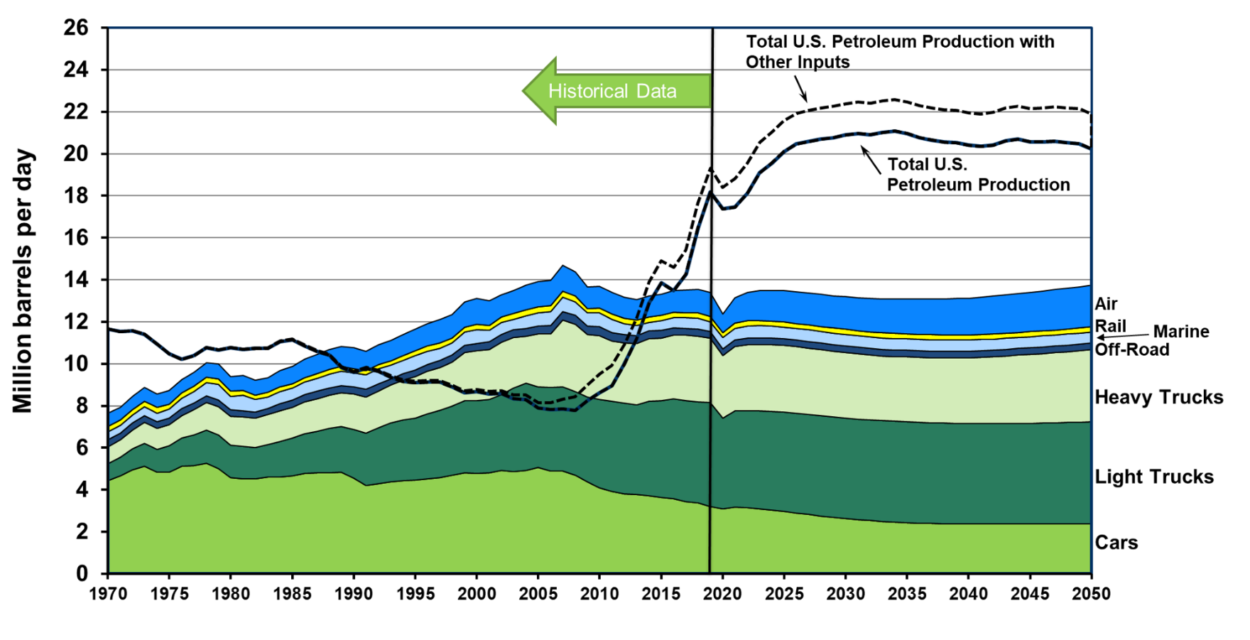

Year | Autos | Light Trucks | Medium & Heavy Trucks | Air | Water | Off-Highway | Rail | Total Transportation | U.S. Petroleum Production with Other Inputs 2013-on (dotted line) | U.S. Petroleum Production without Other Inputs
1970 | 4.43 | 0.80 | 0.80 | 0.63 | 0.38 | 0.35 | 0.25 | 7.65 | 11.66 | 11.66
1971 | 4.66 | 0.88 | 0.83 | 0.63 | 0.36 | 0.34 | 0.25 | 7.96 | 11.54 | 11.54
1972 | 4.96 | 0.99 | 0.91 | 0.64 | 0.36 | 0.33 | 0.26 | 8.47 | 11.57 | 11.57
1973 | 5.11 | 1.10 | 0.99 | 0.66 | 0.41 | 0.34 | 0.27 | 8.90 | 11.40 | 11.40
1974 | 4.85 | 1.09 | 0.99 | 0.65 | 0.40 | 0.31 | 0.27 | 8.58 | 10.94 | 10.94
1975 | 4.84 | 1.25 | 1.01 | 0.65 | 0.42 | 0.32 | 0.25 | 8.75 | 10.47 | 10.47
1976 | 5.12 | 1.36 | 1.07 | 0.62 | 0.49 | 0.33 | 0.26 | 9.26 | 10.21 | 10.21
1977 | 5.17 | 1.46 | 1.18 | 0.66 | 0.53 | 0.32 | 0.26 | 9.60 | 10.39 | 10.39
1978 | 5.27 | 1.58 | 1.31 | 0.69 | 0.62 | 0.31 | 0.26 | 10.06 | 10.77 | 10.77
1979 | 5.01 | 1.60 | 1.37 | 0.72 | 0.72 | 0.32 | 0.27 | 10.01 | 10.66 | 10.66
1980 | 4.58 | 1.55 | 1.37 | 0.70 | 0.62 | 0.32 | 0.26 | 9.41 | 10.77 | 10.77
1981 | 4.52 | 1.55 | 1.40 | 0.71 | 0.72 | 0.30 | 0.25 | 9.46 | 10.69 | 10.69
1982 | 4.52 | 1.48 | 1.40 | 0.70 | 0.60 | 0.28 | 0.21 | 9.21 | 10.74 | 10.73
1983 | 4.60 | 1.56 | 1.43 | 0.70 | 0.56 | 0.28 | 0.21 | 9.34 | 10.76 | 10.73
1984 | 4.62 | 1.67 | 1.47 | 0.78 | 0.58 | 0.34 | 0.23 | 9.69 | 11.10 | 11.06
1985 | 4.68 | 1.79 | 1.47 | 0.81 | 0.56 | 0.35 | 0.21 | 9.88 | 11.18 | 11.14
1986 | 4.79 | 1.90 | 1.50 | 0.88 | 0.60 | 0.35 | 0.21 | 10.23 | 10.89 | 10.85
1987 | 4.79 | 2.00 | 1.55 | 0.92 | 0.63 | 0.36 | 0.21 | 10.45 | 10.64 | 10.58
1988 | 4.80 | 2.13 | 1.58 | 0.96 | 0.64 | 0.36 | 0.22 | 10.68 | 10.47 | 10.42
1989 | 4.84 | 2.17 | 1.61 | 0.96 | 0.69 | 0.34 | 0.22 | 10.83 | 9.88 | 9.82
1990 | 4.55 | 2.32 | 1.68 | 0.99 | 0.66 | 0.36 | 0.21 | 10.77 | 9.65 | 9.60
1991 | 4.21 | 2.49 | 1.71 | 0.93 | 0.69 | 0.36 | 0.20 | 10.60 | 9.85 | 9.79
1992 | 4.28 | 2.67 | 1.75 | 0.94 | 0.72 | 0.34 | 0.21 | 10.92 | 9.70 | 9.64
1993 | 4.39 | 2.80 | 1.80 | 0.96 | 0.65 | 0.30 | 0.21 | 11.11 | 9.42 | 9.35
1994 | 4.44 | 2.88 | 1.89 | 1.00 | 0.64 | 0.31 | 0.23 | 11.39 | 9.24 | 9.16
1995 | 4.45 | 2.98 | 1.97 | 1.04 | 0.67 | 0.32 | 0.24 | 11.66 | 9.18 | 9.10
1996 | 4.53 | 3.09 | 2.02 | 1.07 | 0.64 | 0.32 | 0.24 | 11.92 | 9.20 | 9.13
1997 | 4.57 | 3.22 | 2.04 | 1.11 | 0.57 | 0.34 | 0.25 | 12.11 | 9.20 | 9.12
1998 | 4.69 | 3.29 | 2.11 | 1.10 | 0.57 | 0.34 | 0.25 | 12.34 | 8.99 | 8.90
1999 | 4.79 | 3.45 | 2.31 | 1.20 | 0.63 | 0.32 | 0.26 | 12.96 | 8.71 | 8.62
2000 | 4.78 | 3.45 | 2.40 | 1.24 | 0.66 | 0.33 | 0.25 | 13.11 | 8.79 | 8.68
2001 | 4.81 | 3.49 | 2.39 | 1.16 | 0.55 | 0.35 | 0.26 | 13.00 | 8.69 | 8.57
2002 | 4.94 | 3.60 | 2.49 | 1.08 | 0.57 | 0.36 | 0.26 | 13.29 | 8.72 | 8.58
2003 | 4.88 | 3.96 | 2.42 | 1.09 | 0.49 | 0.36 | 0.26 | 13.48 | 8.53 | 8.34
2004 | 4.93 | 4.14 | 2.25 | 1.19 | 0.59 | 0.37 | 0.28 | 13.76 | 8.53 | 8.30
2005 | 5.06 | 3.84 | 2.52 | 1.23 | 0.62 | 0.38 | 0.28 | 13.93 | 8.15 | 7.89
2006 | 4.91 | 3.96 | 2.57 | 1.22 | 0.66 | 0.38 | 0.29 | 13.98 | 8.15 | 7.82
2007 | 4.88 | 4.03 | 3.17 | 1.22 | 0.70 | 0.39 | 0.28 | 14.68 | 8.31 | 7.85
2008 | 4.70 | 3.99 | 3.21 | 1.16 | 0.66 | 0.40 | 0.27 | 14.38 | 8.43 | 7.78
2009 | 4.38 | 4.03 | 2.99 | 1.03 | 0.60 | 0.42 | 0.22 | 13.66 | 8.99 | 8.25
2010 | 4.09 | 4.22 | 3.03 | 1.04 | 0.67 | 0.42 | 0.24 | 13.70 | 9.52 | 8.63
2011 | 3.92 | 4.29 | 2.86 | 1.04 | 0.62 | 0.42 | 0.25 | 13.41 | 9.93 | 8.96
2012 | 3.81 | 4.33 | 2.86 | 1.01 | 0.53 | 0.40 | 0.25 | 13.17 | 10.91 | 9.99
2013 | 3.77 | 4.28 | 2.92 | 0.99 | 0.47 | 0.38 | 0.25 | 13.06 | 12.14 | 11.19
2014 | 3.71 | 4.50 | 2.97 | 1.00 | 0.41 | 0.38 | 0.27 | 13.23 | 13.90 | 12.88
2015 | 3.63 | 4.63 | 2.95 | 1.03 | 0.47 | 0.37 | 0.25 | 13.33 | 14.90 | 13.85
2016 | 3.57 | 4.77 | 3.03 | 1.05 | 0.51 | 0.33 | 0.23 | 13.50 | 14.59 | 13.48
2017 | 3.44 | 4.82 | 3.10 | 1.08 | 0.52 | 0.32 | 0.24 | 13.52 | 15.41 | 14.27
2018 | 3.37 | 4.81 | 3.13 | 1.14 | 0.51 | 0.33 | 0.25 | 13.56 | 17.64 | 16.47
2019 | 3.20 | 4.95 | 3.08 | 1.15 | 0.47 | 0.31 | 0.24 | 13.39 | 19.32 | 18.18
2020 | 3.09 | 4.33 | 2.99 | 0.90 | 0.53 | 0.31 | 0.22 | 12.82 | 18.39 | 17.37
2021 | 3.18 | 4.58 | 3.06 | 1.22 | 0.54 | 0.32 | 0.24 | 13.64 | 18.82 | 17.46
2022 | 3.13 | 4.62 | 3.15 | 1.37 | 0.58 | 0.32 | 0.24 | 13.89 | 19.54 | 18.12
2023 | 3.09 | 4.67 | 3.16 | 1.43 | 0.58 | 0.31 | 0.24 | 13.94 | 20.54 | 19.09
2024 | 3.03 | 4.70 | 3.17 | 1.47 | 0.58 | 0.31 | 0.24 | 13.92 | 21.02 | 19.57
2025 | 2.96 | 4.73 | 3.19 | 1.49 | 0.56 | 0.31 | 0.23 | 13.90 | 21.57 | 20.11
2026 | 2.89 | 4.74 | 3.18 | 1.50 | 0.56 | 0.31 | 0.24 | 13.82 | 21.93 | 20.46
2027 | 2.82 | 4.76 | 3.16 | 1.51 | 0.55 | 0.31 | 0.24 | 13.75 | 22.05 | 20.59
2028 | 2.76 | 4.77 | 3.15 | 1.52 | 0.55 | 0.31 | 0.24 | 13.70 | 22.18 | 20.70
2029 | 2.69 | 4.78 | 3.13 | 1.54 | 0.55 | 0.31 | 0.24 | 13.63 | 22.26 | 20.77
2030 | 2.63 | 4.78 | 3.12 | 1.55 | 0.55 | 0.31 | 0.24 | 13.58 | 22.38 | 20.90
2031 | 2.58 | 4.79 | 3.11 | 1.57 | 0.55 | 0.31 | 0.24 | 13.53 | 22.45 | 20.96
2032 | 2.53 | 4.79 | 3.10 | 1.59 | 0.55 | 0.31 | 0.24 | 13.50 | 22.41 | 20.91
2033 | 2.49 | 4.80 | 3.09 | 1.62 | 0.55 | 0.31 | 0.24 | 13.48 | 22.51 | 21.02
2034 | 2.46 | 4.80 | 3.09 | 1.64 | 0.54 | 0.31 | 0.24 | 13.48 | 22.59 | 21.09
2035 | 2.43 | 4.81 | 3.09 | 1.66 | 0.54 | 0.31 | 0.24 | 13.48 | 22.47 | 20.96
2036 | 2.41 | 4.81 | 3.09 | 1.68 | 0.54 | 0.31 | 0.24 | 13.48 | 22.28 | 20.76
2037 | 2.39 | 4.80 | 3.10 | 1.70 | 0.54 | 0.31 | 0.24 | 13.48 | 22.18 | 20.65
2038 | 2.38 | 4.80 | 3.11 | 1.71 | 0.54 | 0.31 | 0.24 | 13.49 | 22.09 | 20.56
2039 | 2.37 | 4.79 | 3.12 | 1.73 | 0.54 | 0.31 | 0.24 | 13.51 | 22.06 | 20.52
2040 | 2.36 | 4.79 | 3.14 | 1.75 | 0.53 | 0.31 | 0.23 | 13.54 | 21.96 | 20.42
2041 | 2.36 | 4.79 | 3.16 | 1.78 | 0.54 | 0.31 | 0.24 | 13.58 | 21.91 | 20.35
2042 | 2.36 | 4.79 | 3.19 | 1.80 | 0.53 | 0.31 | 0.24 | 13.64 | 21.98 | 20.42
2043 | 2.36 | 4.79 | 3.22 | 1.83 | 0.53 | 0.31 | 0.24 | 13.71 | 22.19 | 20.62
2044 | 2.36 | 4.80 | 3.25 | 1.85 | 0.53 | 0.31 | 0.24 | 13.77 | 22.27 | 20.69
2045 | 2.37 | 4.80 | 3.28 | 1.88 | 0.53 | 0.32 | 0.24 | 13.84 | 22.16 | 20.57
2046 | 2.37 | 4.81 | 3.31 | 1.90 | 0.53 | 0.32 | 0.24 | 13.91 | 22.18 | 20.58
2047 | 2.37 | 4.82 | 3.34 | 1.92 | 0.53 | 0.32 | 0.24 | 13.97 | 22.22 | 20.60
2048 | 2.37 | 4.83 | 3.37 | 1.94 | 0.53 | 0.32 | 0.24 | 14.04 | 22.17 | 20.53
2049 | 2.37 | 4.85 | 3.41 | 1.96 | 0.53 | 0.32 | 0.24 | 14.12 | 22.14 | 20.48
2050 | 2.37 | 4.86 | 3.44 | 1.98 | 0.52 | 0.32 | 0.24 | 14.19 | 21.90 | 20.22

Notes: “Total U.S. Petroleum Production” includes crude oil, natural gas plant liquids, and refinery gains. It does not include dry natural gas. “Total U.S. Petroleum Production” is for all uses, including but not limited to transportation. “Total U.S. Petroleum Production with Other Inputs” also includes non-petroleum sources such as ethanol, biomass, liquids from coal, other blending components, other hydrocarbons, and ethers which were domestically produced. The change from historical values to projected values is between 2019 and 2020. The sharp increase in the value for heavy trucks between 2006 and 2007 is the result of the Federal Highway Administration’s methodology change.

Sources:
Historical transportation petroleum use – See Tables 1.14 and 1.15. Historical U.S. petroleum production – Energy Information Administration, Monthly Energy Review September 2021, Table 3.1. Historical other inputs - Energy Information Administration, Monthly Energy Review September 2021, Tables 10.3 and 10.4. Forecasted petroleum use and petroleum production – Energy Information Administration, 2021 Annual Energy Outlook, January 2021, reference case tables 7, 11, and 35.

